Sheet1
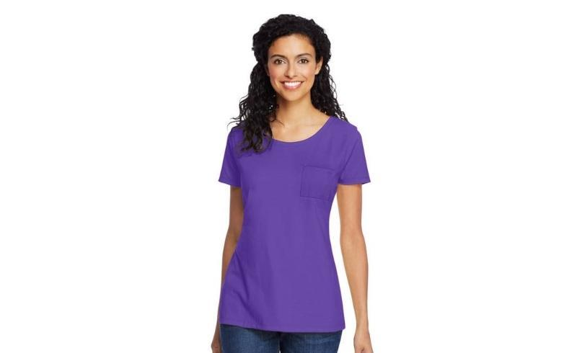
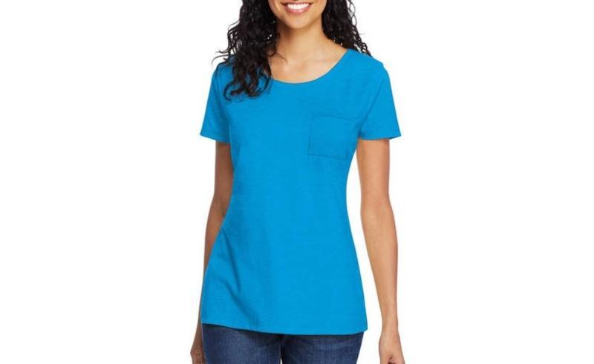
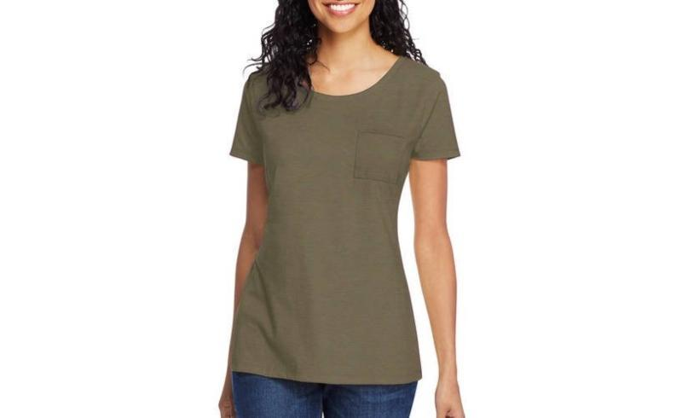
Hanes ComfortSoft Womens Short Sleeve Pocket Tee Shirts

Make | Model | Description | Color | MSRP | Total MSRP | Units per Carton | SIZE |  |  |  |  | Total Quantity
 |  |  |  |  |  |  | S | M | L | XL | 2X
HANES | M254 | Hanes ComfortSoft Women's Short Sleeve Pocket Tee Shirt | INTENSE AQUA | $11.00 | $118,800.00 | 12 | 1 | 2 | 3 | 4 | 2 | 10,800
HANES | M254 | Hanes ComfortSoft Women's Short Sleeve Pocket Tee Shirt | CAMOUFLAGE GREEN HTR | $11.00 | $118,800.00 | 12 | 1 | 2 | 3 | 4 | 2 | 10,800
HANES | M254 | Hanes ComfortSoft Women's Short Sleeve Pocket Tee Shirt | NEW BRIGHT PLUM | $11.00 | $118,800.00 | 12 | 1 | 2 | 3 | 4 | 2 | 10,800
 |  |  |  |  | $356,400.00 |  |  |  |  |  |  | 32,400

